User guide
Assessment of risk and vulnerability analyses in research projects

A risk assessment includes three activities: 1. Identifying undesirable incidents (risk elements). 2. Assessing the risk – the likelihood combined with the consequences – for each identified undesirable incident. 3. Evaluate and manage the risk by e.g. introducing measures that limit the risk.

Some important terms A risk element is a violation of CIA (C=Confidentiality, I=Integrity, A=Availability) An incident may have a negative impact on security Confidentiality That information does not become known to third parties Integrity That information is not inadvertently changed by third parties Availability That information is necessary as needed Vulnerability An inherent weakness in a system, person or building that can be exploited by a threat
Likelihood A measure of how often an incident occurs Consequence (extent of damage) The consequence is the result of an incident. It can affect economy, the institution's reputation, personal reputation, life and health or critical functions or lead to legal prosecution. Risk Risk is a combination of the likelihood of an incident occurring and the consequence of the incident. Risk owner The risk owner is the person responsible for the risks relating to a service or system. This could be a service/system owner, a line/project manager or activity leader or others. The risk owner is responsible for ensuring that risk assessments are carried out and is usually the owner of implemented measures.

The risk assessment process The risk assessment process can be divided into the following activities: 1. Mapping of undesirable incidents (risk elements / threats) 2. Description of the vulnerability exploited by the risk element 3. Description of existing protection and control measures 4. Assessment of risk level (consequences and likelihood) 5. New measures in relation to the risk elements 6. Categorising, sorting and prioritisation of measures

Categorising For each incident (risk element/threat), assess the likelihood of it occurring and the consequences should it occur. In the example below, a scale from 1 to 4 is used.

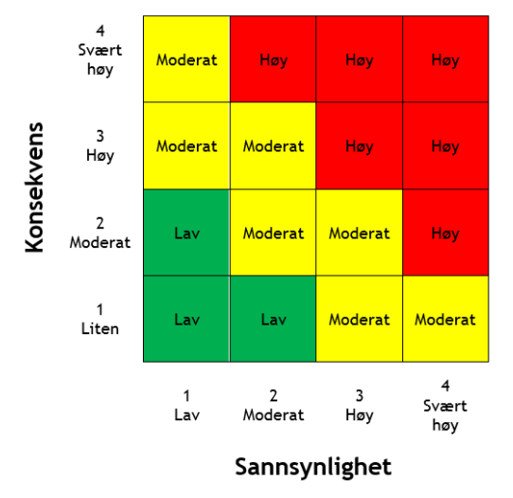
Risk level The risk level is a combination of likelihood and consequences. To find the value of the risk (the risk level), summarise the values of consequences and likelihood. In the matrix below, the risk is low (green): 2–3, medium risk (yellow): 4–5, high risk (red): 6-8. The acceptable risk or risk appetite (shown by the size of the green, yellow and red areas) are normally decided in cooperation with the institution's management. Risk elements in the red zone constitute an unacceptable risk. Measures must be proposed that either reduce the likelihood or the consequences. In the yellow zone, it must be assessed whether the risk is acceptable or whether it is necessary to implement measures. Risk elements in the green zone are deemed to be so small that it is normally not necessary to do anything about them.
Approval, implementation and follow-up of measures Once a risk assessment has been carried out, the risk of undesirable incidents must be managed. This means implementing measures for each undesirable incident with a risk factor that exceeds the institution's acceptable risk level. There are several methods for managing risk. The most important are: - Reducing the risk by implementing measures - Accepting the risk as it is - Transferring the risk to someone else by taking out insurance etc. - Avoid the risk by ending the high-risk activity The most common way of managing risk is to implement measures that reduce the likelihood or consequences of an incident. Once the measures have been chosen and prioritised in relation to their effect and cost/benefit, they must be described in an action plan (risk management plan).

Summary The action plan should contain: - A description of the risks that must be reduced - A description of what measures should be taken - The background to the measures and the expected effects - The persons responsible for approving the plan - The persons responsible for implementing the measures - Activities relating to implementation - Goal and performance criteria and limitations of the measures - Reporting and monitoring requirements - Plan and timeframes

As its point of departure, OsloMet has used a template prepared by the university and university college sector's national secretariat for data security UNINETT

